Sheet1
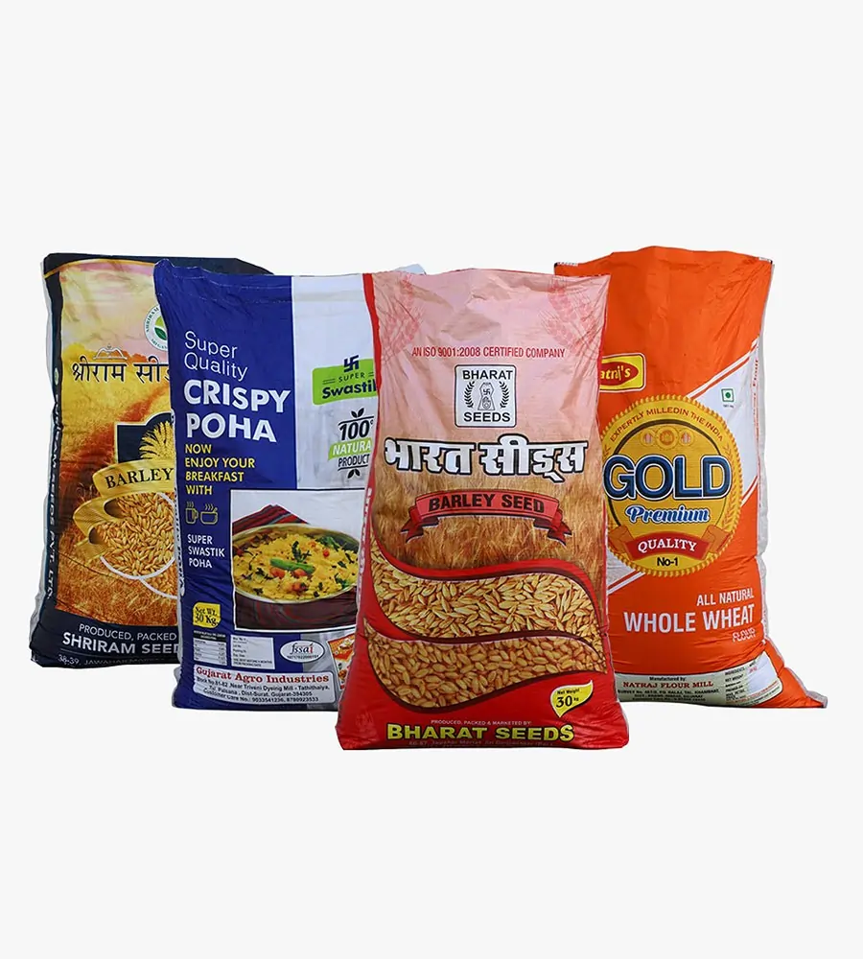 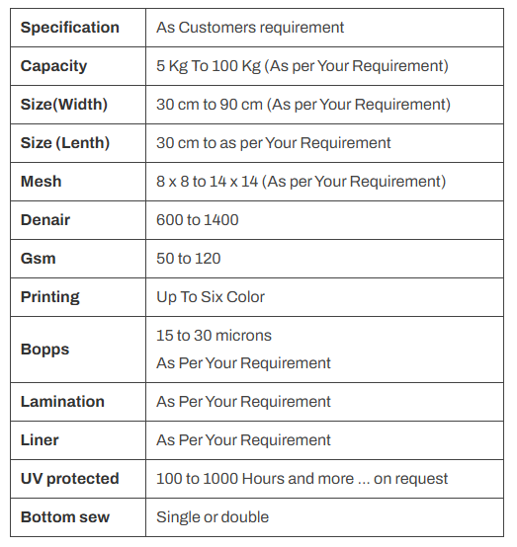 BOPP Laminated Bags Latest Trends in packaging industry One of the latest trends in the packaging industry is the use of Bi-axially Oriented Polypropylene (BOPP) Laminated PP Woven Bags, also known as BOPP bags. These bags boast superior photographic appearance and better weather resistance, increasing the shelf life of packaged products. BOPP bags have become one of the most popular packaging materials due to their durability. BOPP bags are woven and laminated with organic materials during the manufacturing process, making them extremely durable and resilient. Unlike plain woven bags, BOPP bags print out exceptionally well and hold up better in the printing and laminating process.

